0_region_definition
ISO3digit | region12 | Regions from PV: |  | Possible regions for heat pumps (as used in IEA Report Future Heat Pumps)
ABW | ROW | CHE | Switzerland | CHE | Switzerland
AFG | ROA | CHN | China | EU | European Union or Europe
AGO | ROW | DEU | Germany |  | North America
AIA | ROW | IND | India | JPN | Japan | Consider that most of the countries in the world actually have a cooling need:
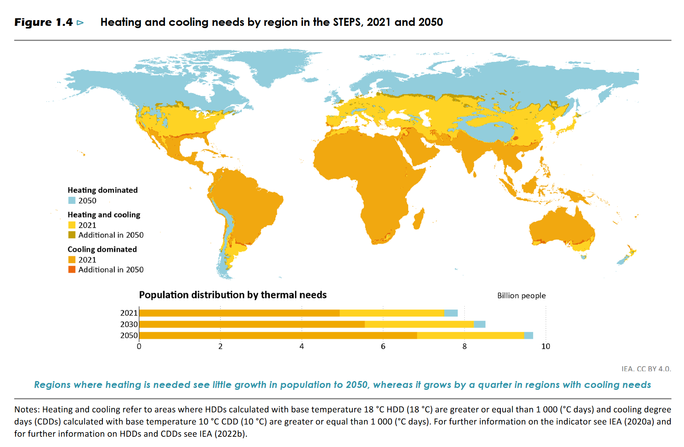
ALB | ROE | KOR | South Corea | KOR | Korea
AND | ROE | MYS | Malaysia | CHN | China
ANT | ROW | ROA | Rest of Asia
ARE | ROA | ROE | Rest of Europe
ARG | ROW | ROW | Rest of World
ARM | ROA | USA | United States
ASM | ROW | THA | Thailand
ATA | ROW | VNM | Vietnam
ATF | ROW
ATG | ROW
AUS | ROW
AUT | ROE
AZE | ROA
BDI | ROW
BEL | ROE
BEN | ROW
BES | ROW
BFA | ROW
BGD | ROA
BGR | ROE
BHR | ROA
BHS | ROW
BIH | ROE
BLM | ROW
BLR | ROE
BLZ | ROW
BMU | ROW
BOL | ROW
BRA | ROW
BRB | ROW
BRN | ROA
BTN | ROA
BVT | ROW
BWA | ROW
CAF | ROW
CAN | ROW
CCK | ROW
CHE | CHE
CHL | ROW
CHN | CHN
CIV | ROW
CMR | ROW |  |  |  |  | Source: IEA Report - 2022 - Outlook of Heat Pumps
COD | ROW
COG | ROW
COK | ROW
COL | ROW
COM | ROW
CPV | ROW
CRI | ROW
CUB | ROW
CUW | ROW
CXR | ROW
CYM | ROW
CYP | ROA
CZE | ROE
DEU | DEU
DJI | ROW
DMA | ROW
DNK | ROE
DOM | ROW
DZA | ROW
ECU | ROW
EGY | ROW
ERI | ROW
ESH | ROW
ESP | ROE
EST | ROE
ETH | ROW
FIN | ROE
FJI | ROW
FLK | ROW
FRA | ROE
FRO | ROE
FSM | ROW
GAB | ROW
GBR | ROE
GEO | ROA
GHA | ROW
GIB | ROE
GIN | ROW
GLP | ROW
GMB | ROW
GNB | ROW
GNQ | ROW
GRC | ROE
GRD | ROW
GRL | ROW
GTM | ROW
GUF | ROW
GUM | ROW
GUY | ROW
HKG | ROA
HMD | ROW
HND | ROW
HRV | ROE
HTI | ROW
HUN | ROE
IDN | ROA
IND | IND
IOT | ROW
IRL | ROE
IRN | ROA
IRQ | ROA
ISL | ROE
ISR | ROA
ITA | ROE
JAM | ROW
JOR | ROA
JPN | ROA
KAZ | ROA
KEN | ROW
KGZ | ROA
KHM | ROA
KIR | ROW
KNA | ROW
KOR | KOR
KWT | ROA
LAO | ROA
LBN | ROA
LBR | ROW
LBY | ROW
LCA | ROW
LIE | ROE
LKA | ROA
LSO | ROW
LTU | ROE
LUX | ROE
LVA | ROE
MAC | ROA
MAR | ROW
MCO | ROE
MDA | ROE
MDG | ROW
MDV | ROA
MEX | ROW
MHL | ROW
MKD | ROE
MLI | ROW
MLT | ROE
MMR | ROA
MNE | ROE
MNG | ROA
MNP | ROW
MOZ | ROW
MRT | ROW
MSR | ROW
MTQ | ROW
MUS | ROW
MWI | ROW
MYS | MYS
MYT | ROW
NAM | ROW
NCL | ROW
NER | ROW
NFK | ROW
NGA | ROW
NIC | ROW
NIU | ROW
NLD | ROE
NOR | ROE
NPL | ROA
NRU | ROW
NZL | ROW
OMN | ROA
PAK | ROA
PAN | ROW
PCN | ROW
PER | ROW
PHL | ROA
PLW | ROW
PNG | ROW
POL | ROE
PRI | ROW
PRK | ROA
PRT | ROE
PRY | ROW
PSE | ROA
PYF | ROW
QAT | ROA
REU | ROW
ROU | ROE
RUS | ROE
RWA | ROW
SAU | ROA
SDN | ROW
SEN | ROW
SER | ROE
SGP | ROA
SGS | ROA
SHN | ROW
SJM | ROE
SLB | ROW
SLE | ROW
SLV | ROW
SMR | ROE
SOM | ROW
SPM | ROW
SSD | ROW
STP | ROW
SUR | ROW
SVK | ROE
SVN | ROE
SWE | ROE
SWZ | ROW
SXM | ROW
SYC | ROW
SYR | ROA
TCA | ROW
TCD | ROW
TGO | ROW
THA | THA
TJK | ROA
TKL | ROW
TKM | ROA
TMP | ROA
TON | ROW
TTO | ROW
TUN | ROW
TUR | ROA
TUV | ROW
TWN | ROA
TZA | ROW
UGA | ROW
UKR | ROE
UMI | ROW
URY | ROW
USA | USA
UZB | ROA
VAT | ROE
VCT | ROW
VEN | ROW
VGB | ROW
VIR | ROW
VNM | VNM
VUT | ROW
WLF | ROW
WSM | ROW
YEM | ROA
ZAF | ROW
ZMB | ROW
ZWE | ROW

3_capacity_technology
year | regionISO | region | production step | value | unit | source
2022 | CHN | China | heat pump assembly | 50 | GW | https://www.iea.org/data-and-statistics/charts/heat-pump-manufacturing-capacity-per-region-2022
2022 | USA | United States | heat pump assembly | 34 | GW | https://www.iea.org/data-and-statistics/charts/heat-pump-manufacturing-capacity-per-region-2022
2022 |  | Europe | heat pump assembly | 25 | GW | https://www.iea.org/data-and-statistics/charts/heat-pump-manufacturing-capacity-per-region-2022
2022 |  | Japan and Korea | heat pump assembly | 16 | GW | https://www.iea.org/data-and-statistics/charts/heat-pump-manufacturing-capacity-per-region-2022 | From Report for UK Gov, 2020, page 73:
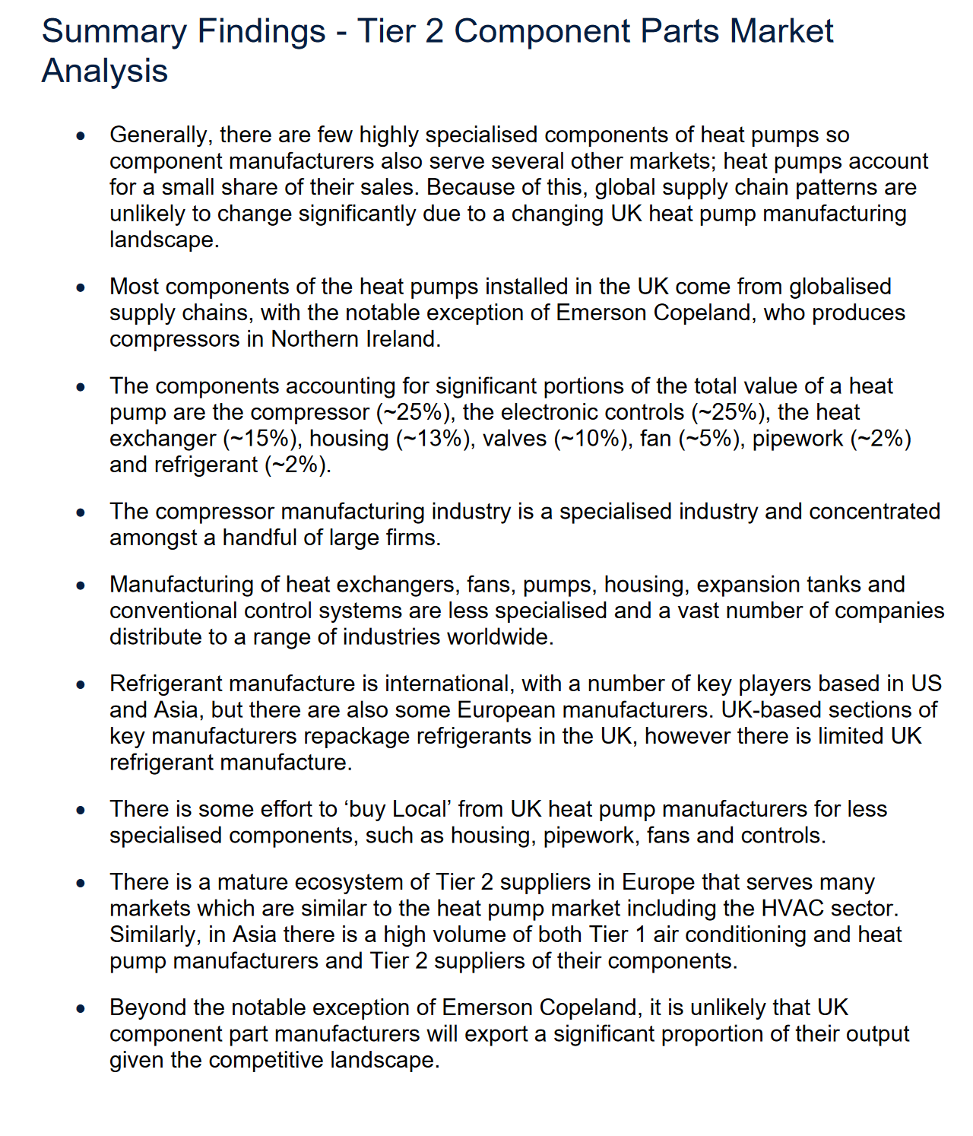
2022 | ROW | Rest of World | heat pump assembly | 14 | GW | https://www.iea.org/data-and-statistics/charts/heat-pump-manufacturing-capacity-per-region-2022
2021 | CHN | China | heat pump assembly | 46.8 | GW | IEA Energy Technology Perspectives 2023, page 453 (annex)
2021 |  | North America | heat pump assembly | 34.8 | GW | IEA Energy Technology Perspectives 2023, page 453 (annex)
2021 |  | Europe | heat pump assembly | 19.2 | GW | IEA Energy Technology Perspectives 2023, page 453 (annex)
2021 |  | Other Asia Pacific | heat pump assembly | 16.8 | GW | IEA Energy Technology Perspectives 2023, page 453 (annex)
2021 |  | Central & South America | heat pump assembly | 0 | GW | IEA Energy Technology Perspectives 2023, page 453 (annex)
2021 |  | Africa | heat pump assembly | 0 | GW | IEA Energy Technology Perspectives 2023, page 453 (annex)
2021 |  | Eurasia | heat pump assembly | 0 | GW | IEA Energy Technology Perspectives 2023, page 453 (annex)
2021 |  | Middle East | heat pump assembly | 2.4 | GW | IEA Energy Technology Perspectives 2023, page 453 (annex)
2021 + Announced |  | Europe | heat pump assembly | 60 | GW | https://www.iea.org/data-and-statistics/charts/heat-pump-manufacturing-capacity-by-country-or-region-according-to-announced-projects-and-in-the-net-zero-scenario

 |  |  |  |  |  |  | https://assets.publishing.service.gov.uk/government/uploads/system/uploads/attachment_data/file/943712/heat-pump-manufacturing-supply-chain-research-project-report.pdf

4_conversion
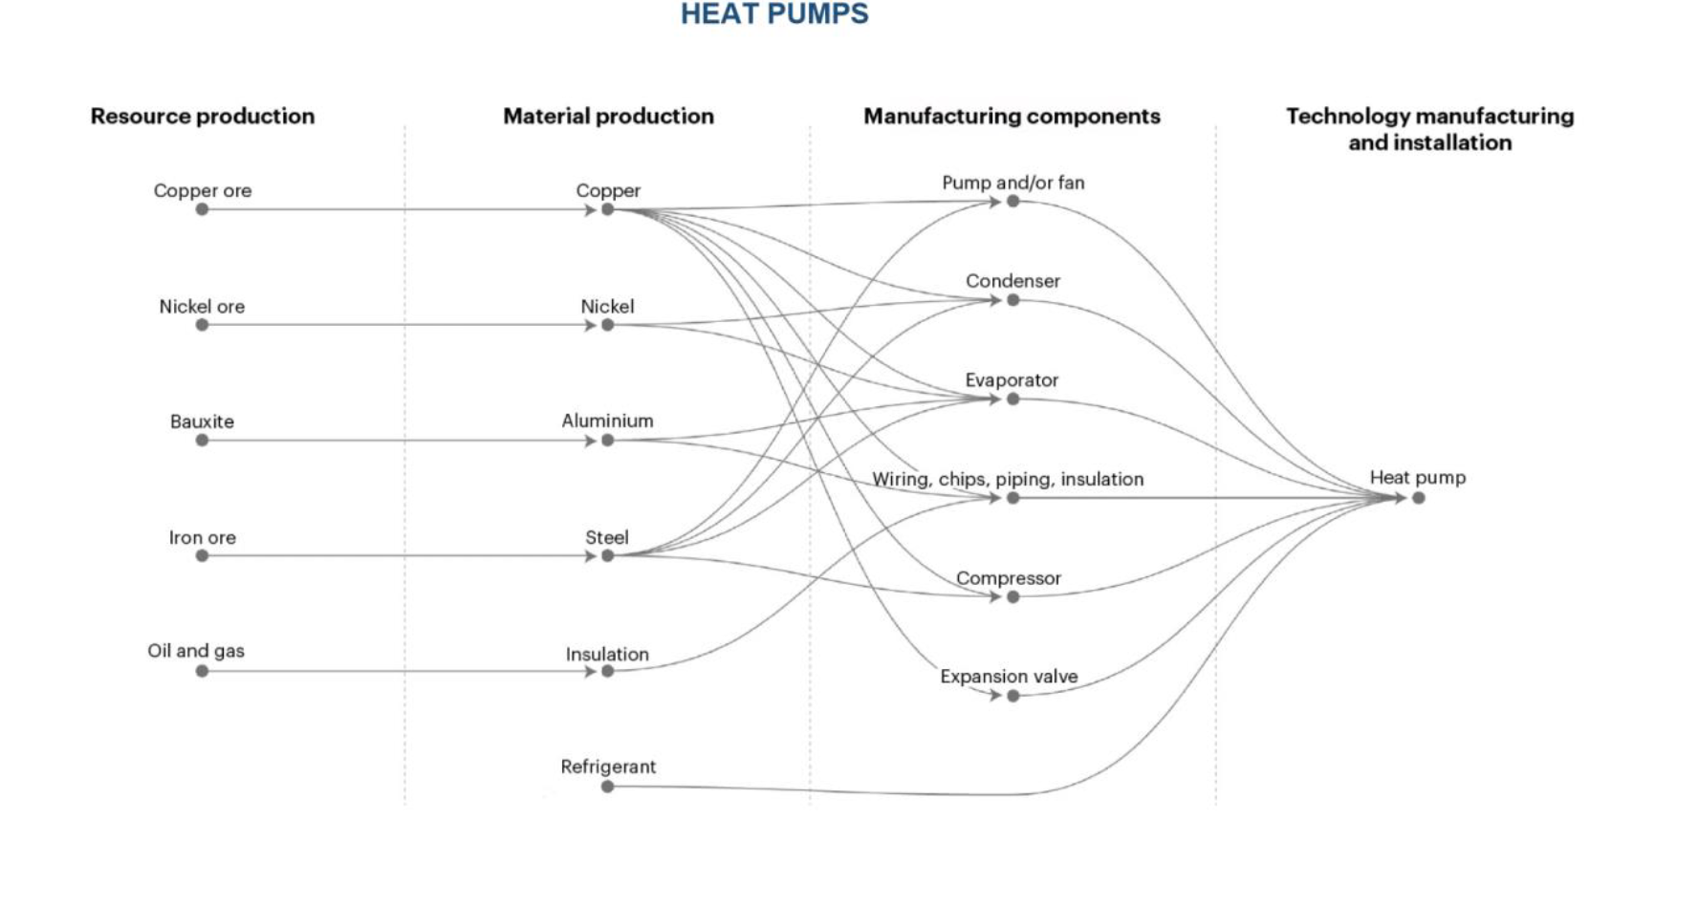
From UK Gov Report, page 68:
 | ASHP - Monobloc | ASHP - Split | GSHP | Comments / Summary from the report (page 73):
refrigerant | x | x | x | The compressor manufacturing industry is a specialised industry and concentrated amongst a handful of large firms.
Refrigerant line |  | x |  | Manufacturing of heat exchangers, fans, pumps, housing, expansion tanks and conventional control systems are less specialised and a vast number of companies distribute to a range of industries worldwide.
compressor | x | x | x | Generally, there are few highly specialised components of heat pumps so component manufacturers also serve several other markets; heat pumps account for a small share of their sales.
Condensor coil | x | x | x
expansion valve | x | x | x
heat exchanger | x | x | x
evaporator coil | x | x | x
internal circulator |  | x
internal expansion tank |  | x
control systems | x | x | x
Antifreeze solution | x |  | x
Casing | x | x | x
Pipework | x | x | x
pumps |  |  | x
Ground loop |  |  | x
Fan, fan motor | x | x
Back-up heater | x
Blower |  |  | x
Accessories (e.g. Wall brackets & condensate trays) | x | x | x

From Nature Paper, SI, for air-source heat pump:
Component | Material | Weight | Unit | Ref | Explanation
Evaporator and condenser | Low-alloyed steel | 32 | kg | Greening, Benjamin, and Adisa Azapagic. "Domestic heat pumps: Life cycle environmental impacts and potential implications for the UK." Energy 39, no. 1 (2012): 205-217.
Housing and compressor | Reinforcing steel | 120 | kg | Sevindik, Selman, Catalina Spataru, Teresa Domenech Aparisi, and Raimund Bleischwitz. "A comparative environmental assessment of heat pumps and gas boilers towards a circular economy in the UK." Energies 14, no. 11 (2021): 3027.
Wiring, piping and expansion valve | Copper | 35.2 | kg | " | UK data
Pipework insulation | Elastomere | 16 | kg | " | Data for a 10 kW ASHP ?
Wiring insulation | Polyvinylchloride | 1.6 | kg | "
Lubricating oil | Polyolester oil | 2.7 | kg | "
Air fan | Copper | 1.4 | kg | "
" | HDPE | 0.5 | kg | "
Refrigerant | R-134a | 4.9 | kg | "
" | Losses | 3% (manufacture) & 6% (operation, annually) |  |  |  | From EC JRC Report (page 43):
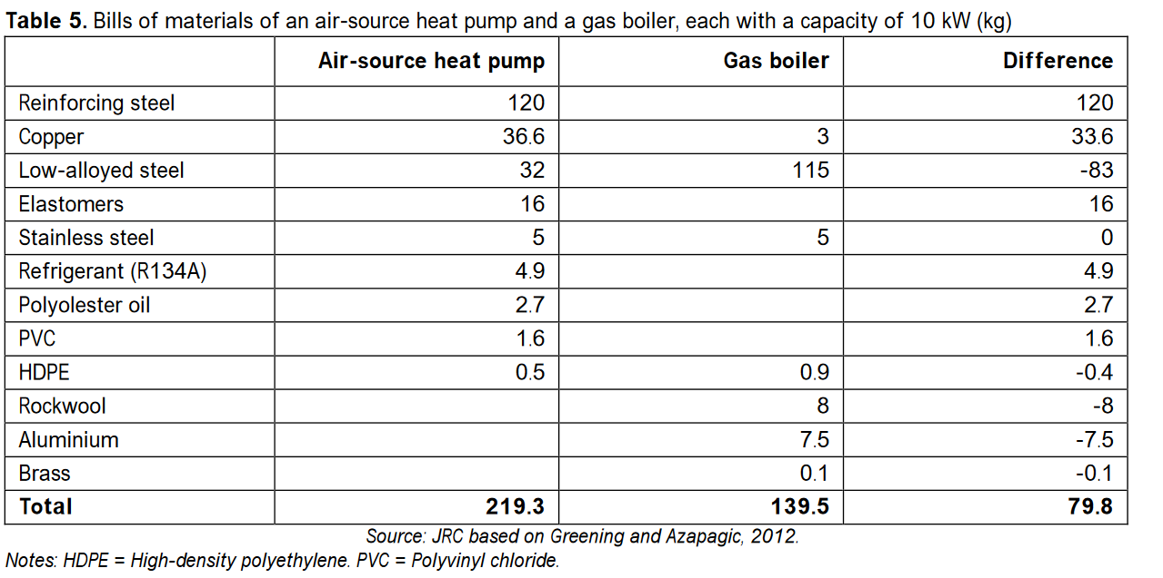
https://www.nature.com/articles/s41598-023-47850-x#MOESM1
Note: The full SI excel is also available on the NAS for other technologies

6_capCost
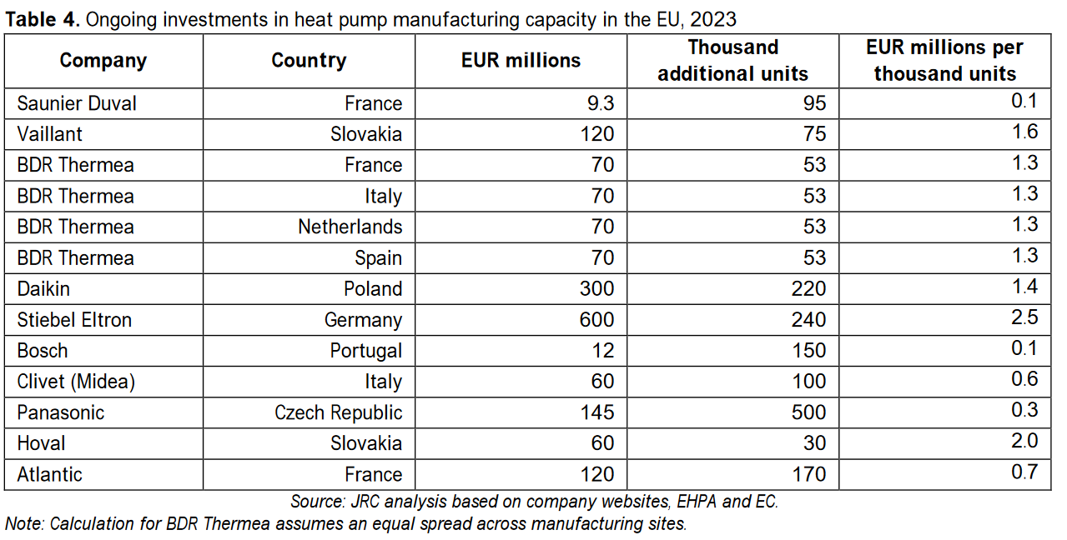
year | region_ISO | region | production step | value | unit | comment | source
2023 | EU | Europe | Manufacturing | 950 | €/unit | approximate value, taken from text. See table on the right for more values | EU JRC report, page 34

 |  |  |  |  |  |  |  | From EU JRC report, page 34:

